Лист1
Section | Request | Work in Postman | Task
PET | PostPet |  | You need: - create a collection in Postman based on Petstore - repeat requests of sections PET and STORE in Postman Petstore - https://petstore.swagger.io/#/
PET | PostImage | 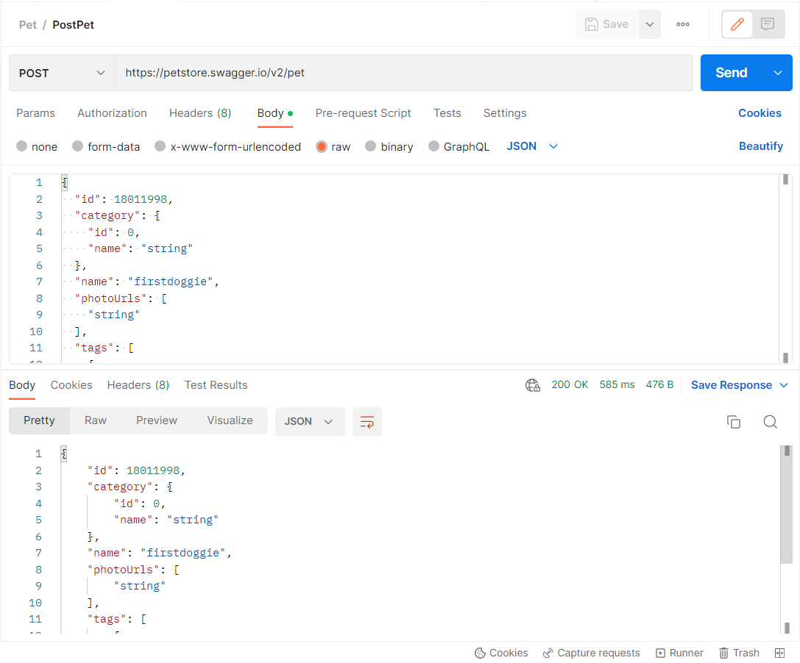 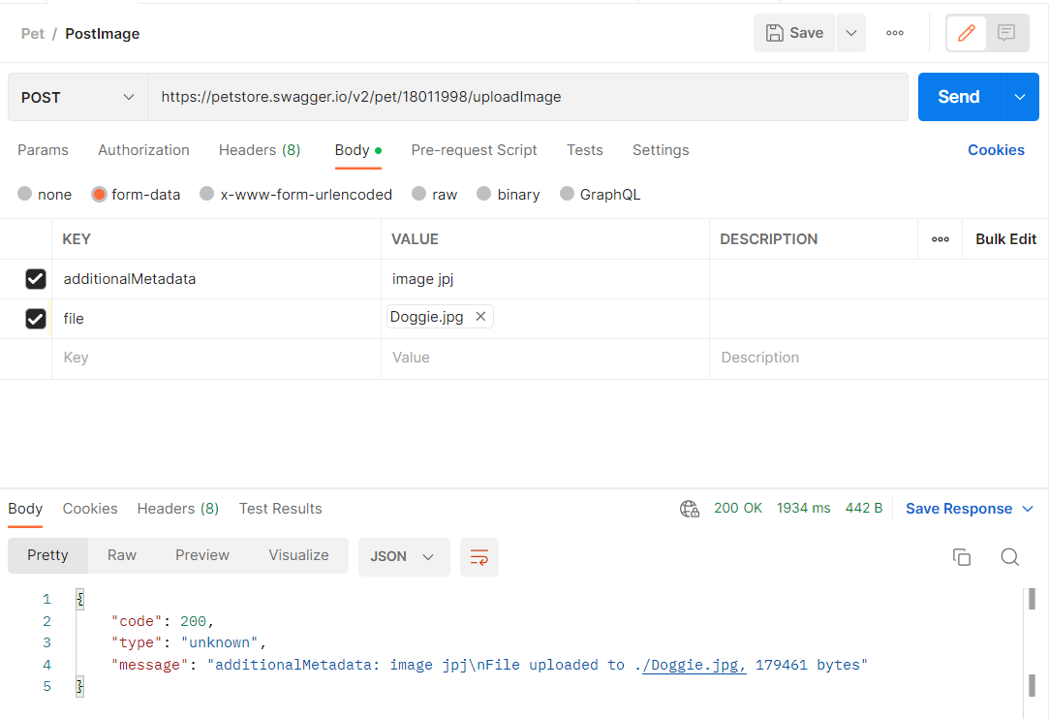
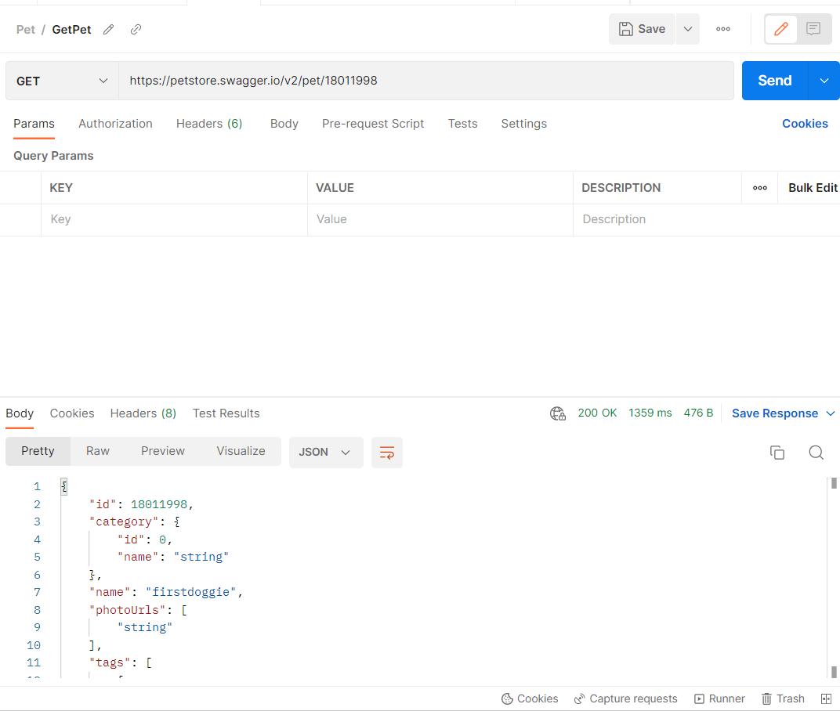
PET | GetPet
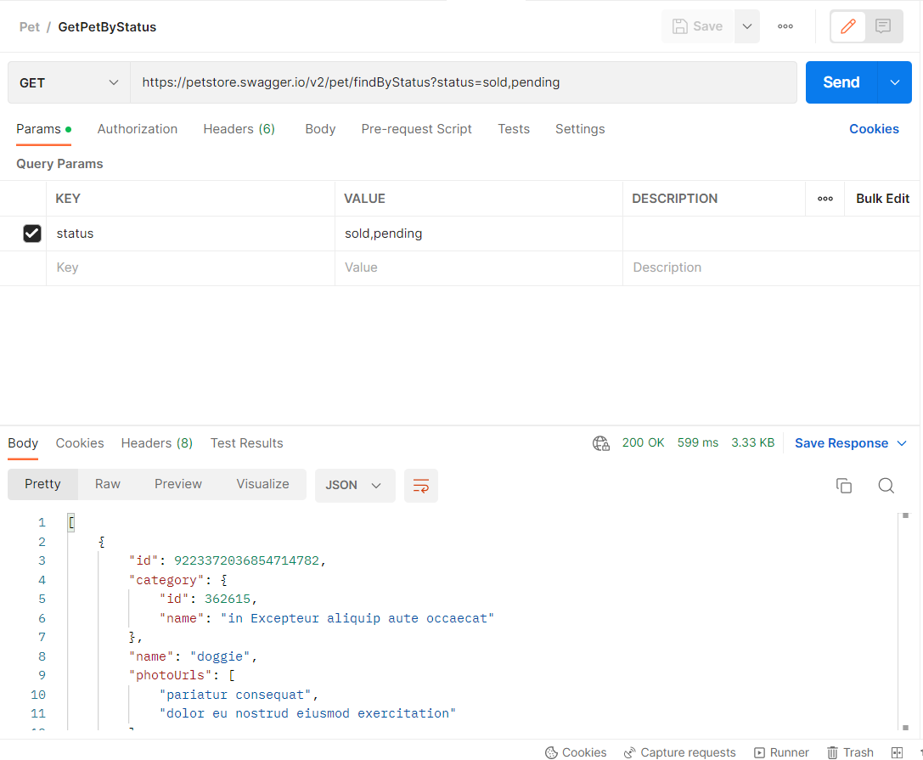
PET | GetPetByStatus
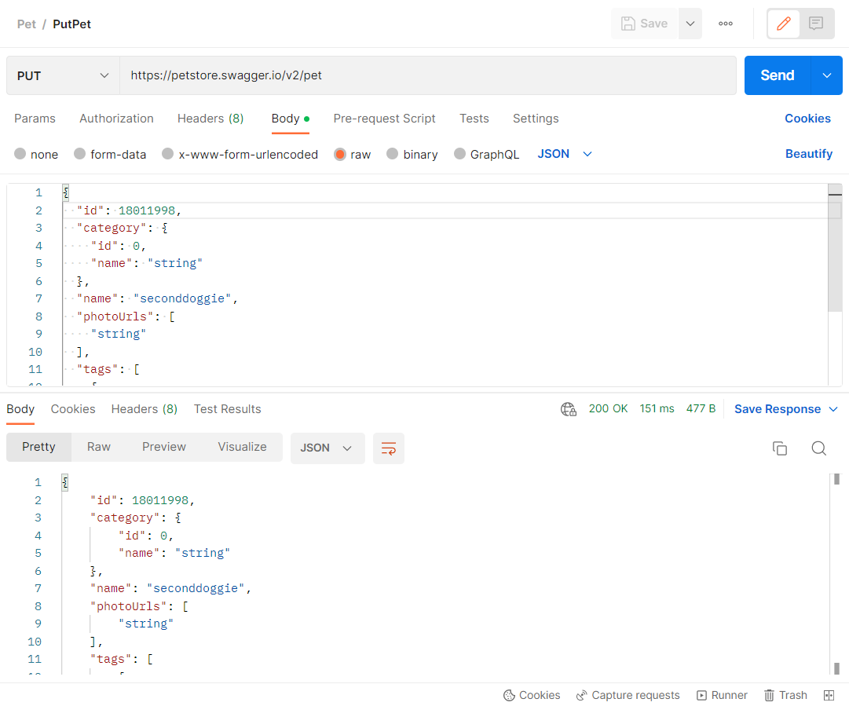
PET | PutPet
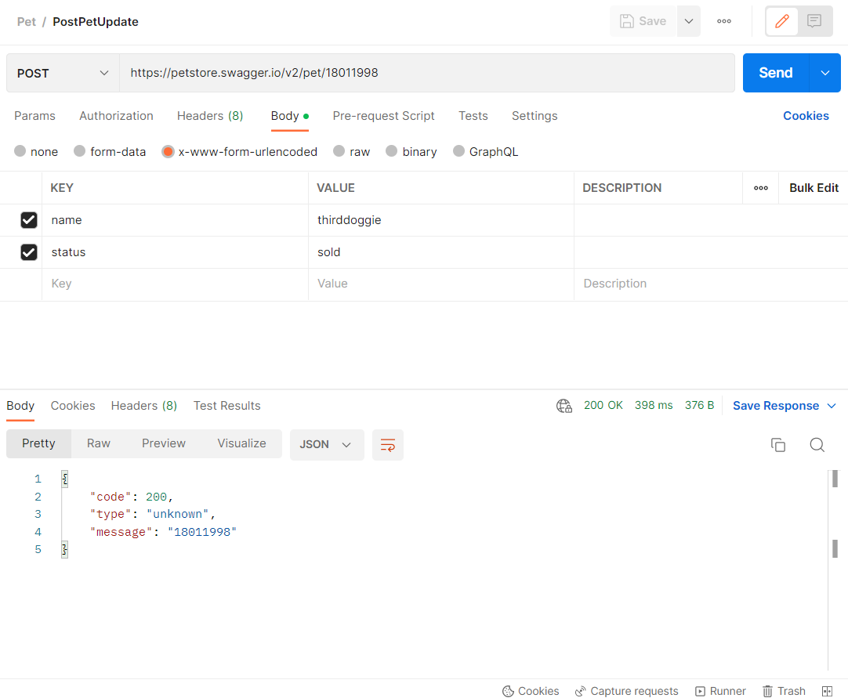
PET | PostPetUpdate
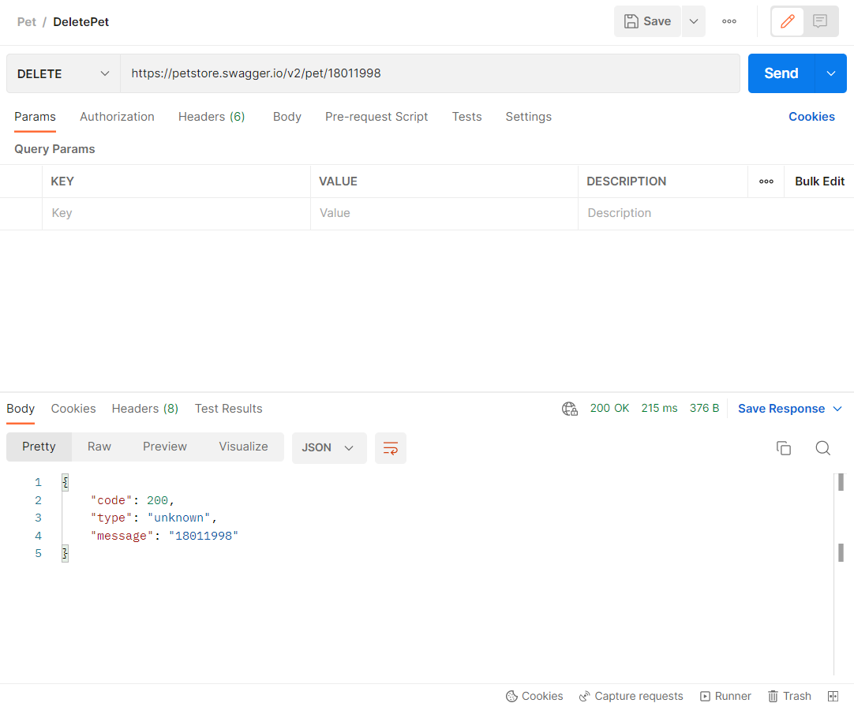
PET | DeletePet
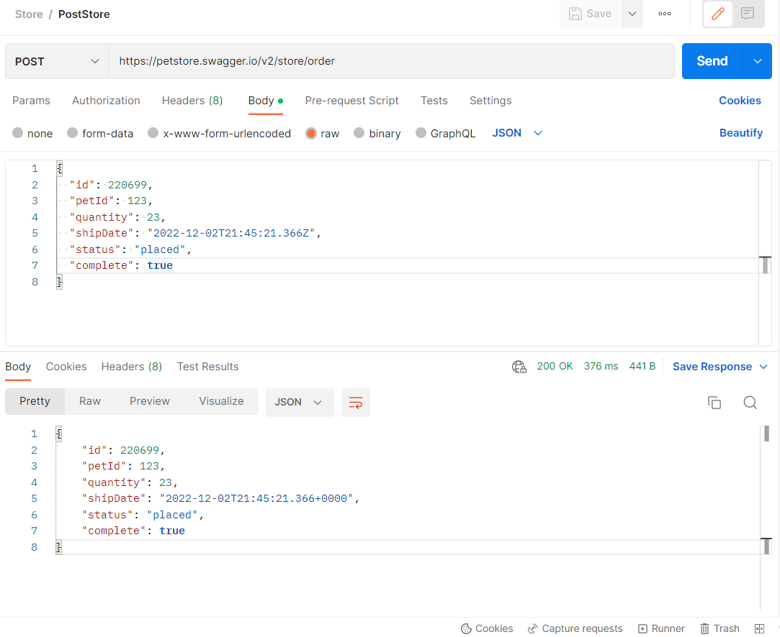
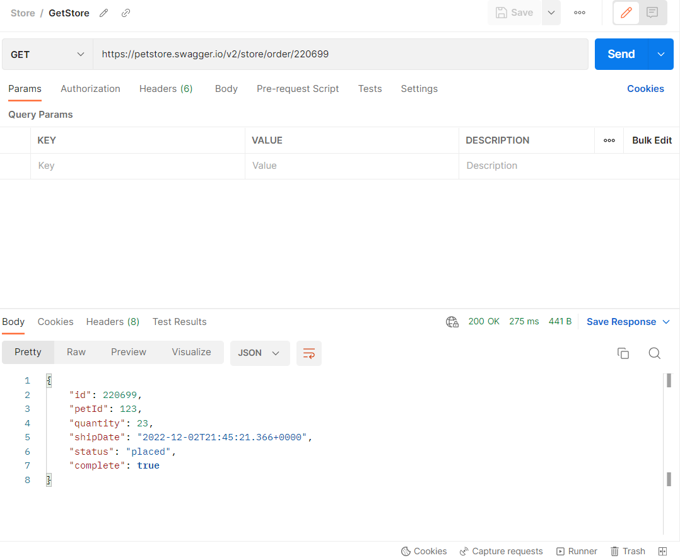
STORE | PostStore
STORE | GetStore
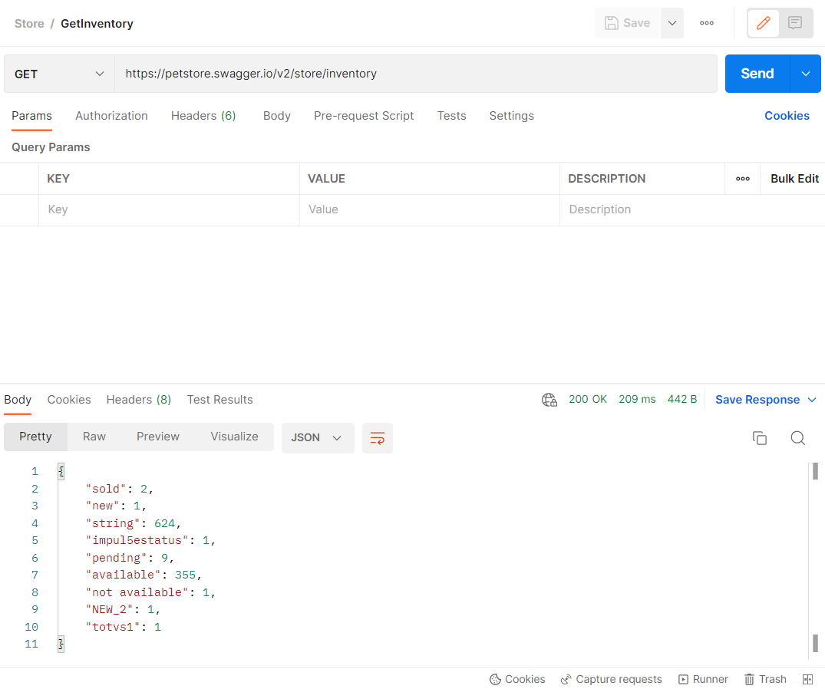
STORE | GetInventory
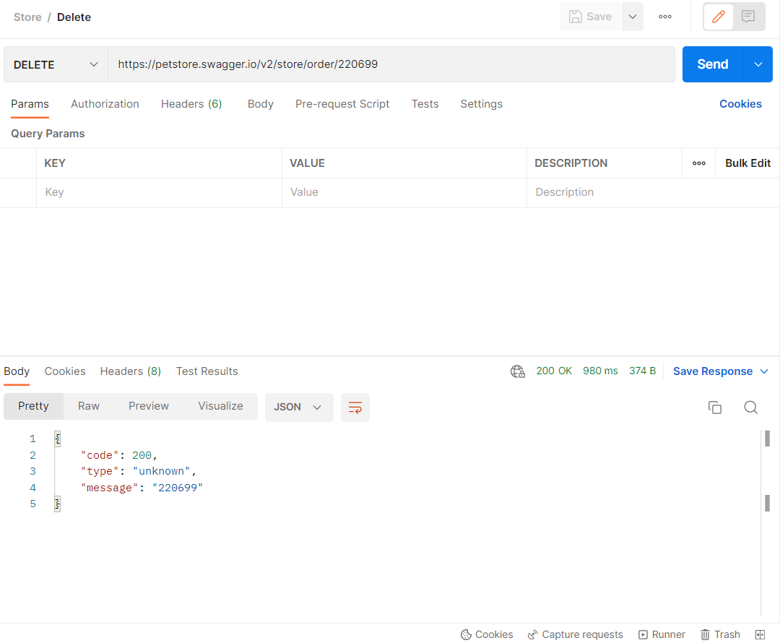
STORE | DeleteStore

